Contents
Regional Electricity Generation and Supply Timeseries
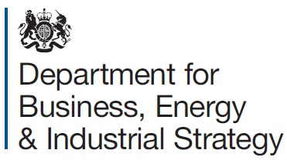

 | This spreadsheet contains annual electricty generation and supply figures for Scotland, Wales, Northern Ireland and England, 2004 to 2019

 | This workbook relates to a special feature article in the December 2020 edition of Energy Trends
 | https://www.gov.uk/government/publications/energy-trends-december-2020-special-feature-articles

 | This spreadsheet was updated on 22 December 2020 with data for 2019

 | Contents
 | Table 1: Generation and supply of electricity in Scotland, England, Wales, Northern Ireland and England, 2004 to 2019
 | Table 2: Generation of electricity by fuel in Scotland, England, Wales, Northern Ireland and England, 2004 to 2019

 | For further information please contact:

 | BEIS Press Office (media enquiries): | email: | newsdesk@beis.gov.uk
 | Statistician: George Creasey | email: | electricitystatistics@beis.gov.uk

